Screen shots
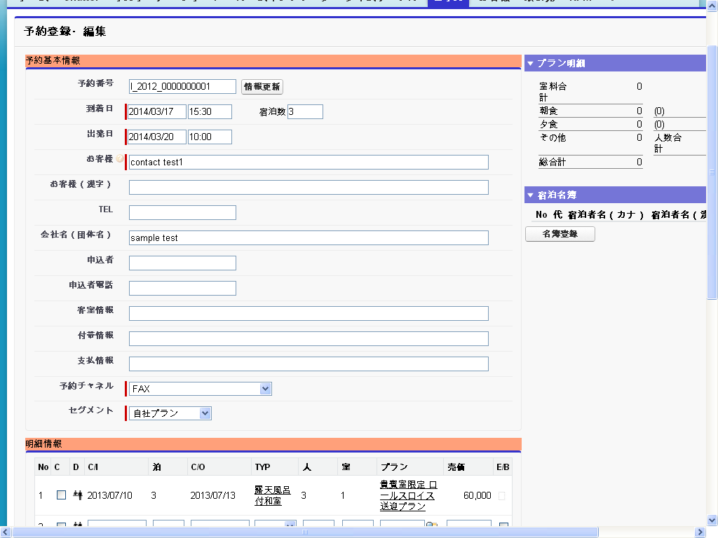
 | ERROR Screen shots

1) The Below Error is coming from browsers(Firefox, Chrome, IE)
First drag mouse up to departure time 9:00 and do not leave here..
Image 1

Now come back to 8:00 and leave the mouse. Now the Room details popup will appear. Observe
in the popup departure time, its shows 9:00 only. But the red color drag is showing up to 8:00 only. Then
enter all the details in popup and save the record.
Image 2

See in below image, the record is saved up to 9:00 only not to 8:00.
Image 3

2) Dragged Line Error on page in browsers (Firefox & IE )
First drag up to some time and leave the mouse
Image 4

The Popup will shown up, observe the line which is dragged is also overriding on the popup.
Image 5
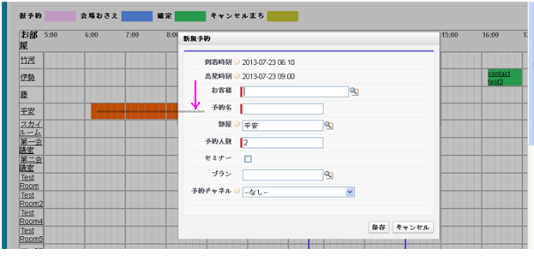

After entering the data in popup and save it. After record has been saved also, the dragged line is still appearing on the page.
Image 6

Even the popup is cancelled also, the dragged line will appear on the page.

Image 7

3) In IE 8 when dragged and popup is showing like below with not perfect design, and also Arrival time and departure time is showing wrong.
Image 8
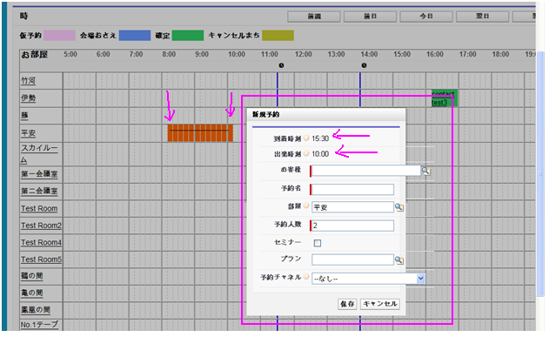

4) In IE 8, after data entered in popup and click on save button, while processing also the popup is not in blur state.

Image 9
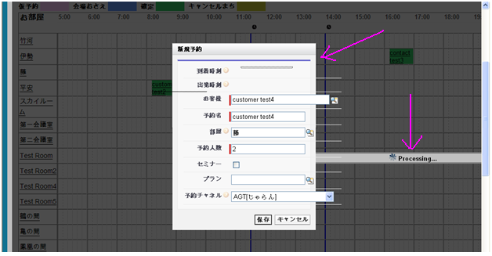

5) In IE 8, In Time Table page after dragged from Arrival time to Departure time, In popup the timings are not showing for some times

Image 10
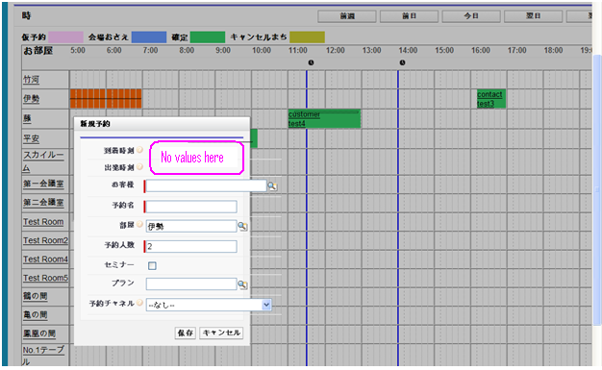

6) In Chrome and Firefox the Timing header is fixed at top of browser while scrolling

Image 11
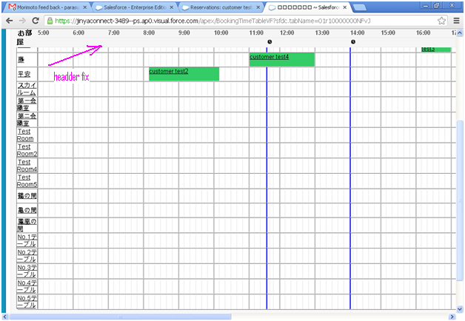

But whereas in IE 8, the header is not fixed at top of browser while scrolling

Image 12
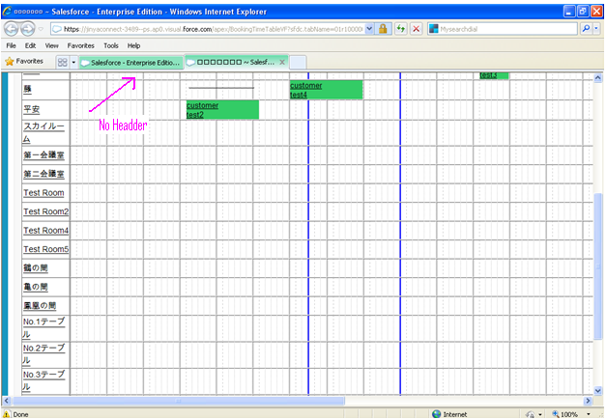

Customer Standard detail view:

1) IE: Observe in below image of Customer Detail view page, In the Barcode section, the barcode lines are not displaying

Image 13
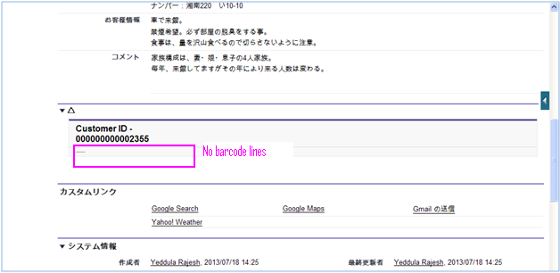

Pdfgenerator page:

1) When page loads in chrome, the page is appearing as like below image. Here it is not showing chart. It is asking to “load unsafe script”.

Image 14
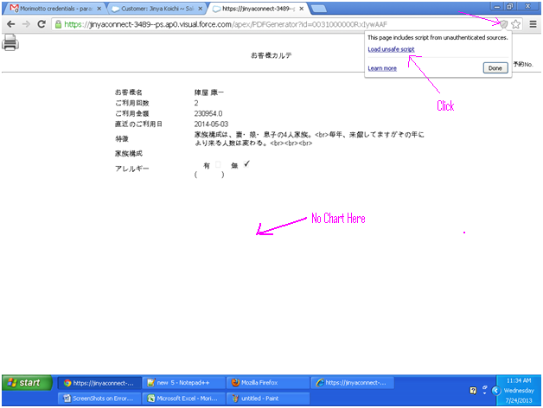

2) Chrome: Click on Load unsafe script as shown in above image, th page will show up as below with chart and observe the Url “https” is crossed marked with red lines.

Image 15
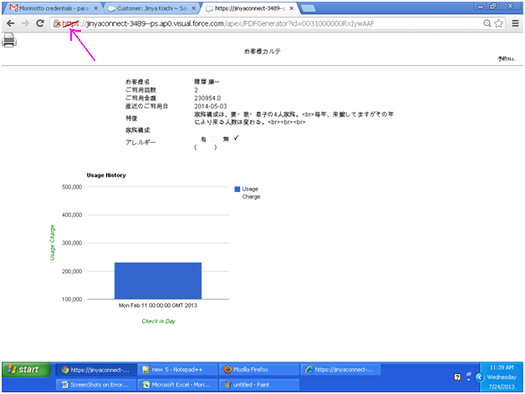

3) IE : When page loads, it is showing security message in IE as like below image.

Image 16
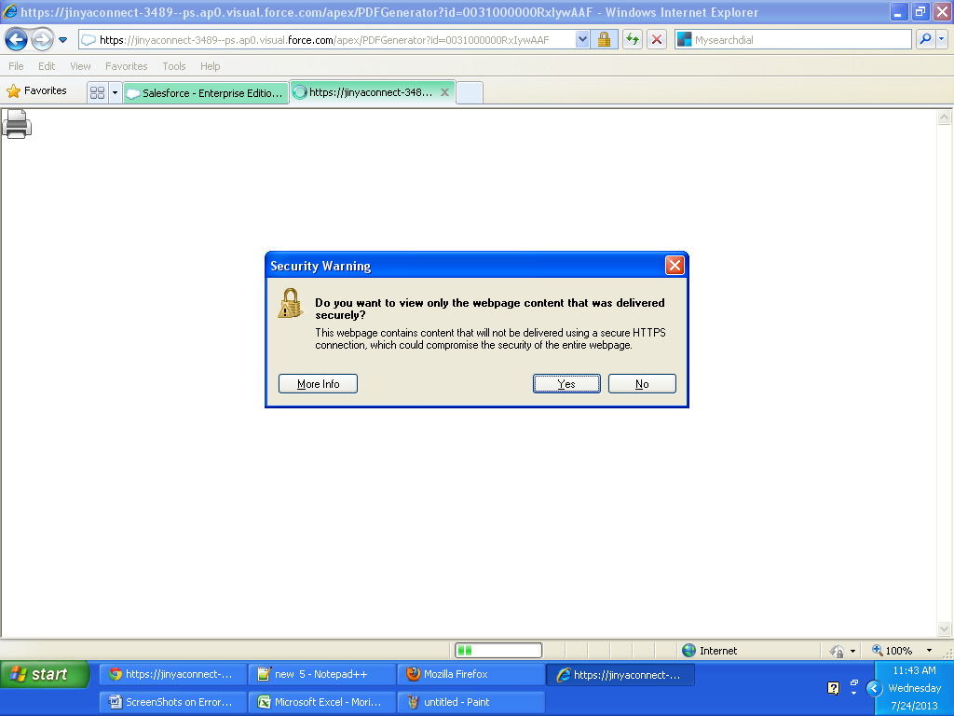

4) IE: if click on “Yes” in the security message, the page will show up as like below image without chart. If click on “No” on security message, it will show up the page with chart correctly.

Image 17
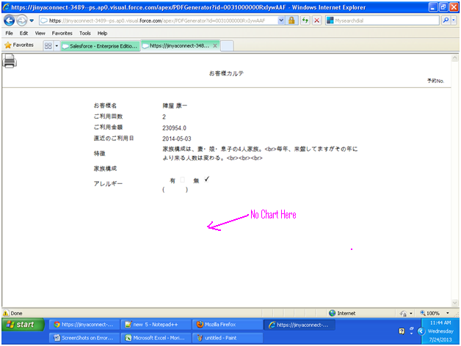

RoomIndicatorInfo Page:

1) Chrome & Mozilla : On loading the RoomIndicatorInfo page

Image 18
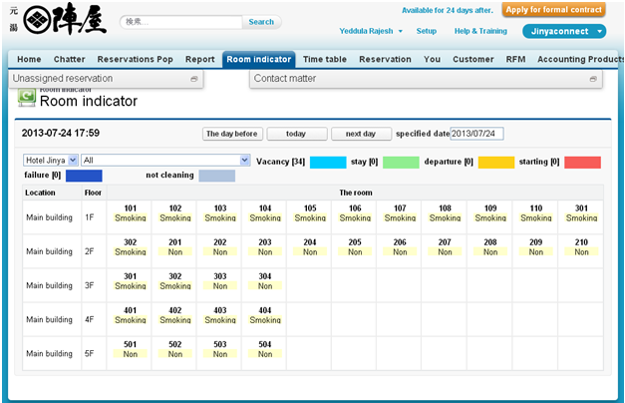

In IE: On loading the RoomIndicatorInfo page see below Image no unassigned tab and Contact matter on the top of page.
Below of the page is showing extra fields data.

Image 19
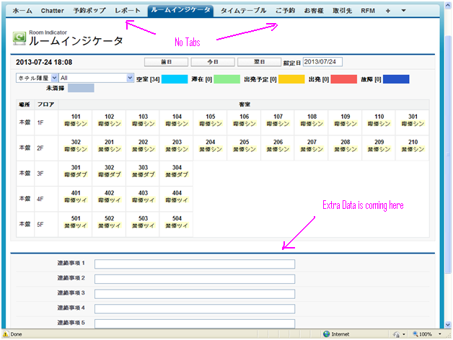

2) In IE: On selected date
Here it is allows to change the date through key board and also from calendar.
Whereas in chrome and Firefox its not allowing to enter through keyboard.

Image 20
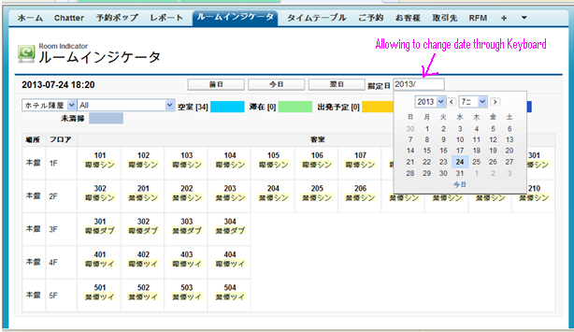

Bulk Reservation:

In chrome and Firefox: while Reservation number is given on page, automatically data is filled up.

Image 21
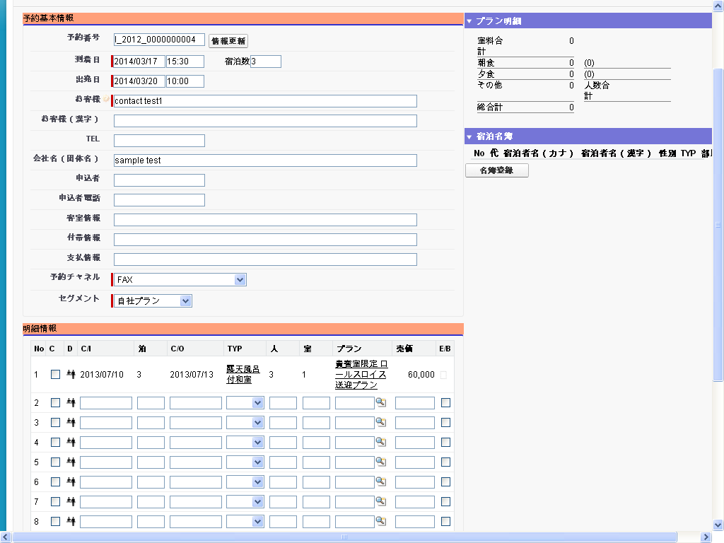

IE: In IE the auto complete and auto filling data below is not populating automatically.
Where as in chrome and Firefox, it is working . Compare this image with above image.

Image 22
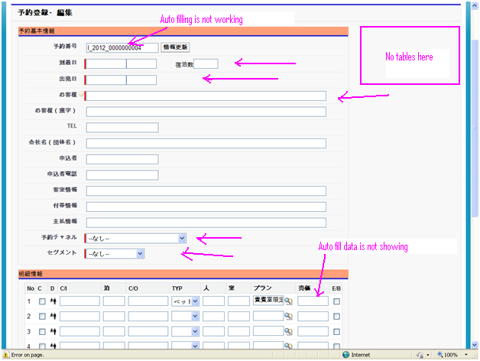

Chrome: while selecting Reservation numbers from auto complete
After selecting one number it will show up related values automatically, but still auto complete popup is showing after selected also
See below image.

Image 23
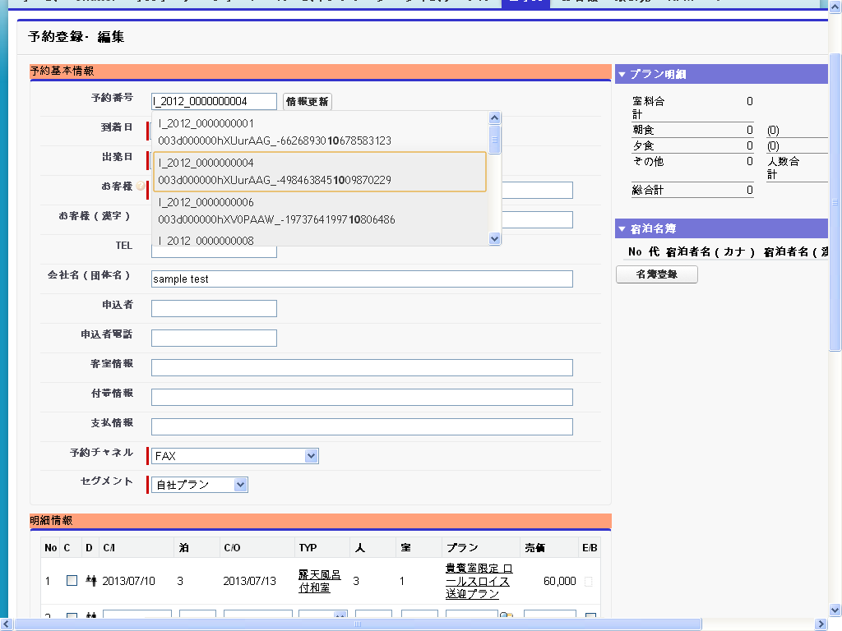

Chrome: From the above image, from popup I changed the reservation number, but still it is
showing data of previous reservation number data.

Image 24

